Sheet1
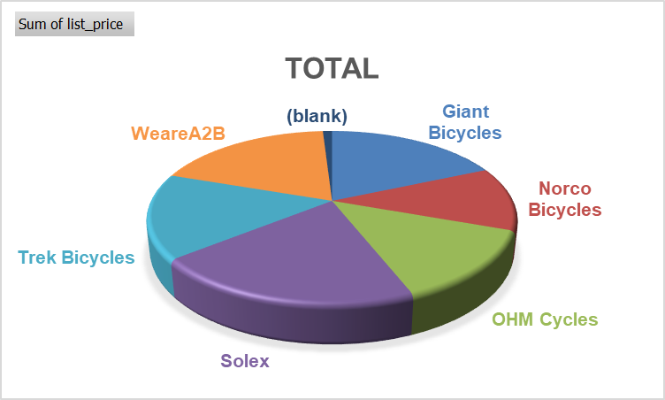
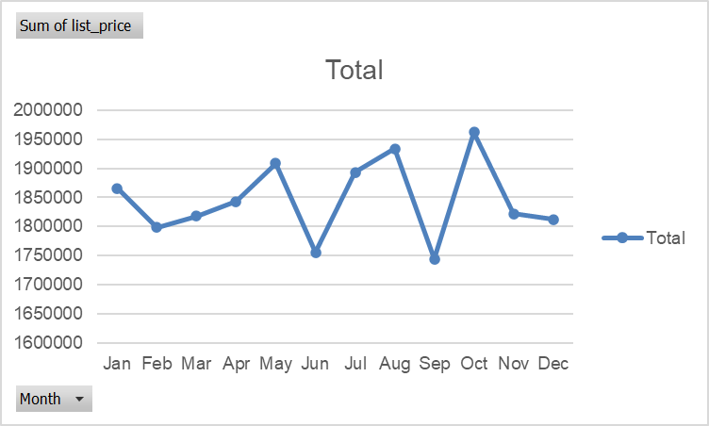
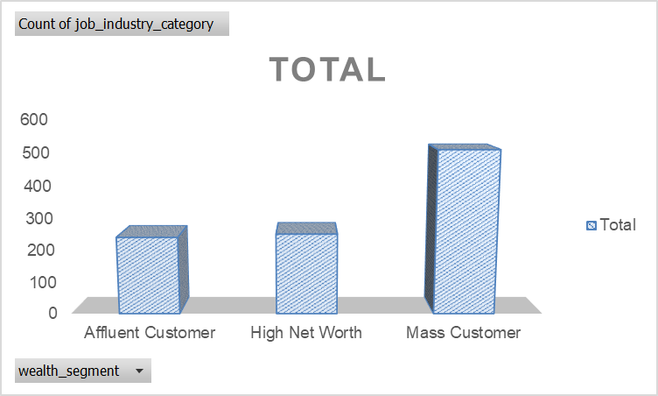
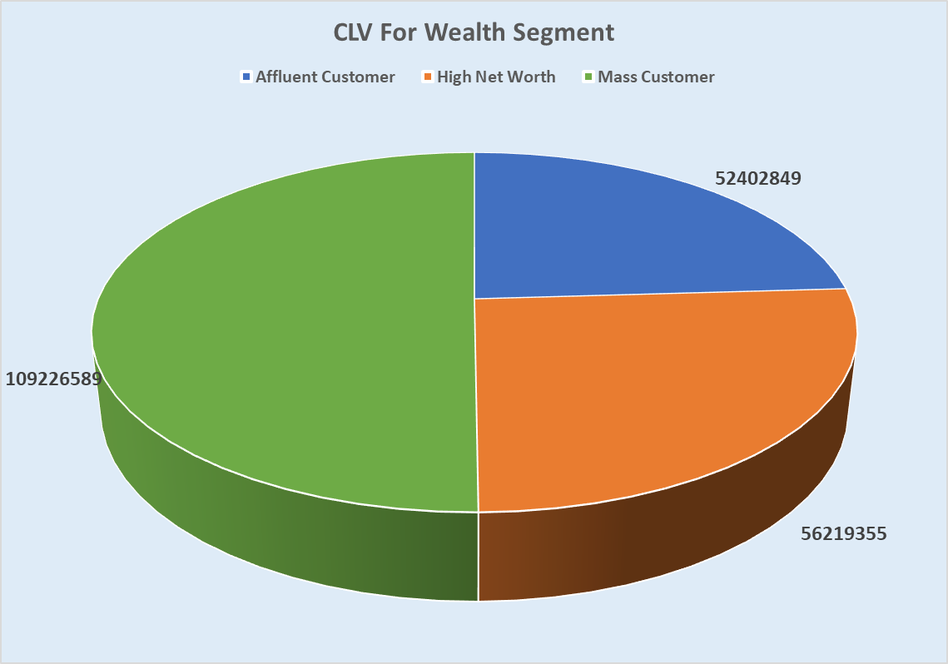
Summary of key insights
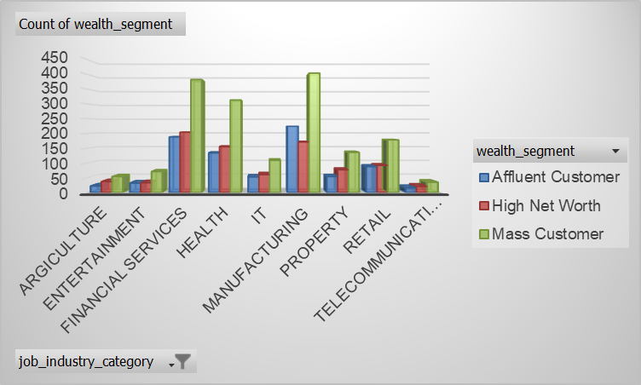
 | Total
Argiculture | 113
Entertainment | 136
Financial Services | 774
Health | 602
IT | 223
Manufacturing | 799
Property | 267
Retail | 358
Telecommunications | 72

Sheet9
Recommendations
1.Sales Trends - October has most numbe of sales in the orders.So,making the orders recisely in seasonal months to gain more profits.
2.Customer wealth segmentation and gender - Mass Customer Wealth Segment has half of the most number of customers.And also male and female has made equal number of purchases.
3.Customer location - Half of the customers are from New South Wales.Representig the geographical segment in the business.
4.Job industry segmentation - Most of the customers are from manufacturing,financial services and health industries making a significant growth in these industries.
5.Customer purchases - Out of all purchases ,the average number of purchhases per customer is 5.72 with dramatic decrease in past 3 years,making significant attenntion needed in customer engagement.
6.Potential Revenue - Half of the potential revenue contributed by Mass customer wealth segment.
7.Life Time Value (CLV) - The average CLV is distributed among the three wealth segments,job industries and between genders suggestibg that
uniform customer value across these categories.

